L-08
 |  |  |  | Page: 809-2
SETI |  |  ARCHIDEA Chabua Amirejibi Hwy #6 Tbilisi, Georgia Office: 599 857 815
BOH LIGHTING SPECIFICATION LIST
REFERENCE | CODE ON DRAWING | DESCRIPTION | REVISION | DATE
BOH | L-08 | CEILING LIGHT | R0
 |  | MANUFACTURER
 |  | MODEL
 |  | COLOR
 |  | FINISH
 |  | SIZE (in mm)
 |  | TECHNICAL INFORMATION | Ceiling mounted spotlight 12Watt
 |  | WEB LINK
 |  | NOTES

L-01
 |  |  |  | Page: 809-6
SETI |  | ARCHIDEA Chabua Amirejibi Hwy #6 Tbilisi, Georgia Office: 599 857 815
BOH LIGHTING SPECIFICATION LIST
REFERENCE | CODE ON DRAWING | DESCRIPTION | REVISION | DATE
BOH | L-01 | WALL MOUNTED LIGHIT | R0
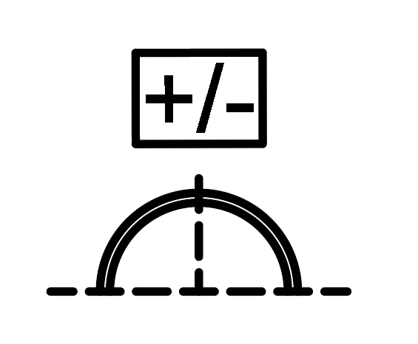 |  | MANUFACTURER
 |  | MODEL
 |  | COLOR
 |  | FINISH
 |  | SIZE (in mm)
 |  | TECHNICAL INFORMATION | Wall mounted LED light 9 Watt (woth Battery)
 |  | WEB LINK
 |  | NOTES

